Contents
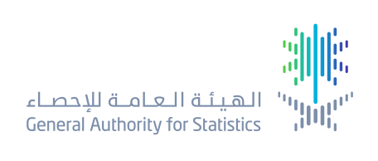

 | Makkah Region

Table number | Title
1 | Number of establishments according to economic activity and sector type 2010 *
2 | Economic indicators for establishments by economic activity - 2012
3 | Population by governorate, nationality (Saudi/non-Saudi), gender, and number of house *
4 | Boys education (government)* - Governorates in Makkah Region
5 | Boys education (private)* - Governorates of Makkah Region
6 | Girls education (government)* - Governorates in Makkah Region
7 | Girls education (private)* - Governorates of Makkah Region
8 | Other education system for boys (government)* - Governorates in Makkah Region
9 | Other education system for girls (government)* - Governorates in Makkah Region
10 | Other private education system (boys and girls) - in the governorates of Makkah Region
11 | High Education in Makkah Region
12 | High Education in Makkah Region
13 | Government and private hospitals in the governorates of Makkah Region
14 | Government primary healthcare centers, private dispensaries, Red Crescent centers in the Governorates of Makkah Region
15 | Number of cities and villages where agriculture, social, administrative and general services are provided in the governorates of Makkah Region
16 | Boys education (government)* - Governorates and municipalities in Makkah Region
17 | Boys education (private)* - Governorates and Municipalities of Makkah Region
18 | Girls education (government)* - Governorates and Municipalities in Makkah Region
19 | Girls education (private)* - Governorates and Municipalities of Makkah Region
20 | Boys education (government) - Governorates and municipalities in Makkah Region
21 | Other education system for girls (government)* - Governorates and Municipalities in Makkah Region
22 | Other private education system (boys and girls) - in the governorates and municipalities of Makkah Region
23 | Government primary healthcare centers, private dispensaries, Red Crescent centers in the Governorates and Municipalities of Makkah Region
24 | Number of cities and villages where agriculture, social, administrative and general services are provided in the governorates and municipalities of Makkah Region
25 | Service facilities in Makkah Region
26 | Service facilities at the governorate level in Makkah Region

